Declaration of Interest
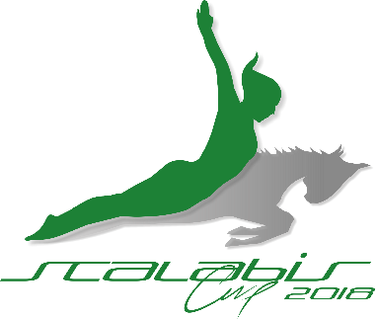

Individual and Team International Competition
Individual Trampoline, Double-mini Trampoline & Tumbling
Santarém, Portugal - From 12th to 14th of July, 2018

DECLARATION OF INTERESTS
DEADLINE: 28TH of FEBRUARY, 2018

Club/Federation

Name

Adress

Post Code |  |  |  | Country

E-mail

Phone

Participants

Gymnasts

 |  | only TRA | only DMT | only TUM | TRA+DMT | DMT+TUM | TRA+DMT +TUM

U13 | M
Born in 2006, 2007 and 2008 | F

U15 | M
Born in 2004 and 2005 | F

U17 (U18 at TUM) | M
Born in 2002 and 2003 (+ 2001 at TUM) | F

U20 | M |  |  | There will be no U20 at TUM
Born between 1999 and 2001 | F

Open - FIG EVENT | M
Born in 2001 and before | F

 | Total

Others
Coachs | Delegates |  | Judges |  | Others

May you be interested in participat in "Beach Day Trip", wich may includ Surf lessons?

 |  |  |  |  | Date | 2017-11-23
 |  |  |  |  | Signature
Please, send form to | scalabiscup@scalabiscup.com

