Travel Plan
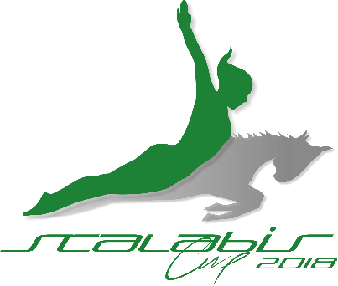

Individual and Team International Competition
Individual Trampoline, Double-mini Trampoline & Tumbling
Santarém, Portugal - From 14th to 16th of July, 2018

TRAVEL PLAN
DEADLINE: 15TH OF MAY 2018

Club/Federation

Name

Address

Post code |  |  |  | Country

E-mail

Phone

Arrival

Date | Hour | Local | Flight N.º (if applicable) | N.º Persons | Other Info

Departue

Date | Hour | Local | Flight N.º (if applicable) | N.º Persons | Other Info

 |  |  |  | Date |  | 2017-11-23
 |  |  |  | Signature

Please send to: |  | scalabiscup@scalabiscup.com

